Sheet1
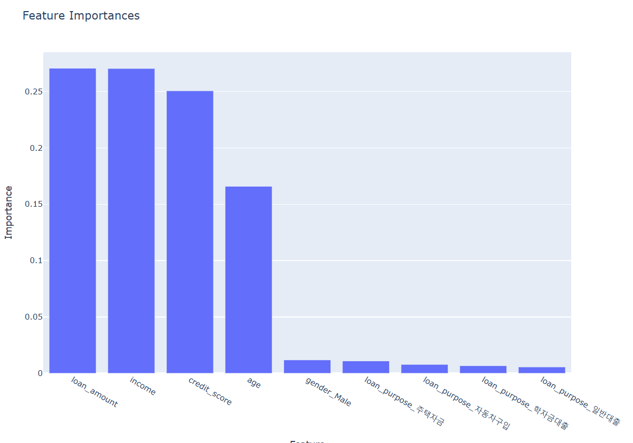
 | 원본 데이터
>>> print(confusion_matrix(y_test, y_pred))
[[ 2508 9613]
[ 3667 14212]]
>>> print(classification_report(y_test, y_pred))
precision recall f1-score support

0 0.41 0.21 0.27 12121
1 0.60 0.79 0.68 17879

accuracy 0.56 30000
macro avg 0.50 0.50 0.48 30000
weighted avg 0.52 0.56 0.52 30000

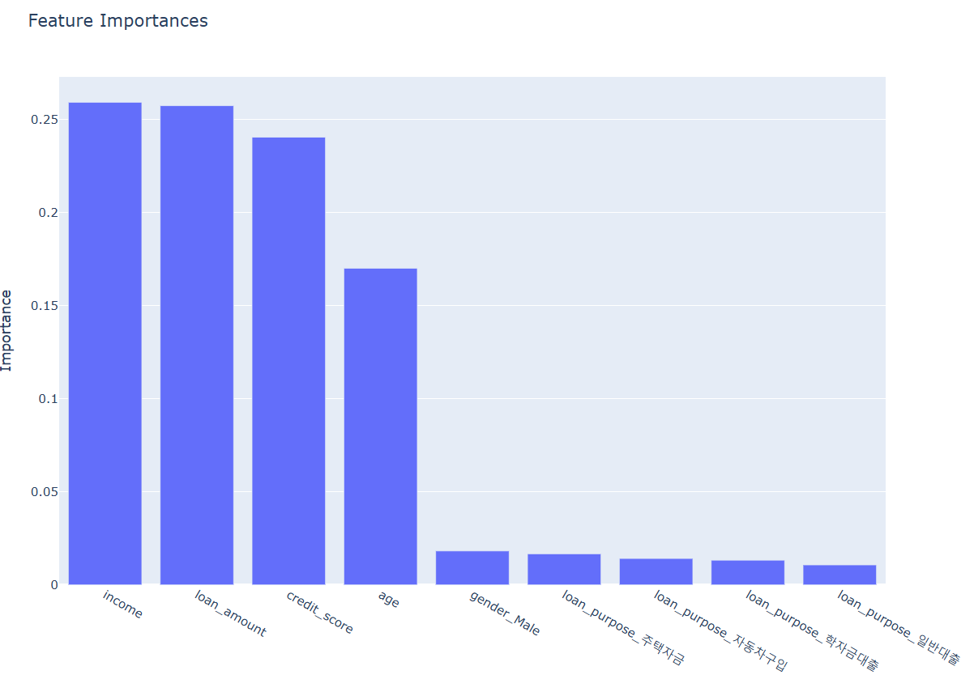

 | 합성 데이터
precision recall f1-score support

False 0.54 0.30 0.39 12051
True 0.64 0.83 0.72 17949

accuracy 0.62 30000
macro avg 0.59 0.56 0.55 30000
weighted avg 0.60 0.62 0.59 30000

